ERD
Link: | https://lucid.app/lucidchart/6fca3dff-6e85-40eb-aacc-c7c7099e8f57/edit?viewport_loc=92%2C-34%2C2466%2C1232%2C0_0&invitationId=inv_026c5db8-4ba9-42b4-94d6-2ef00c691f4e

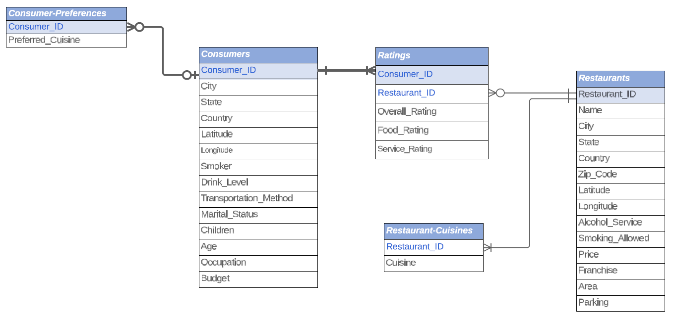

328/330

1161

112
138

130

